Control Panel
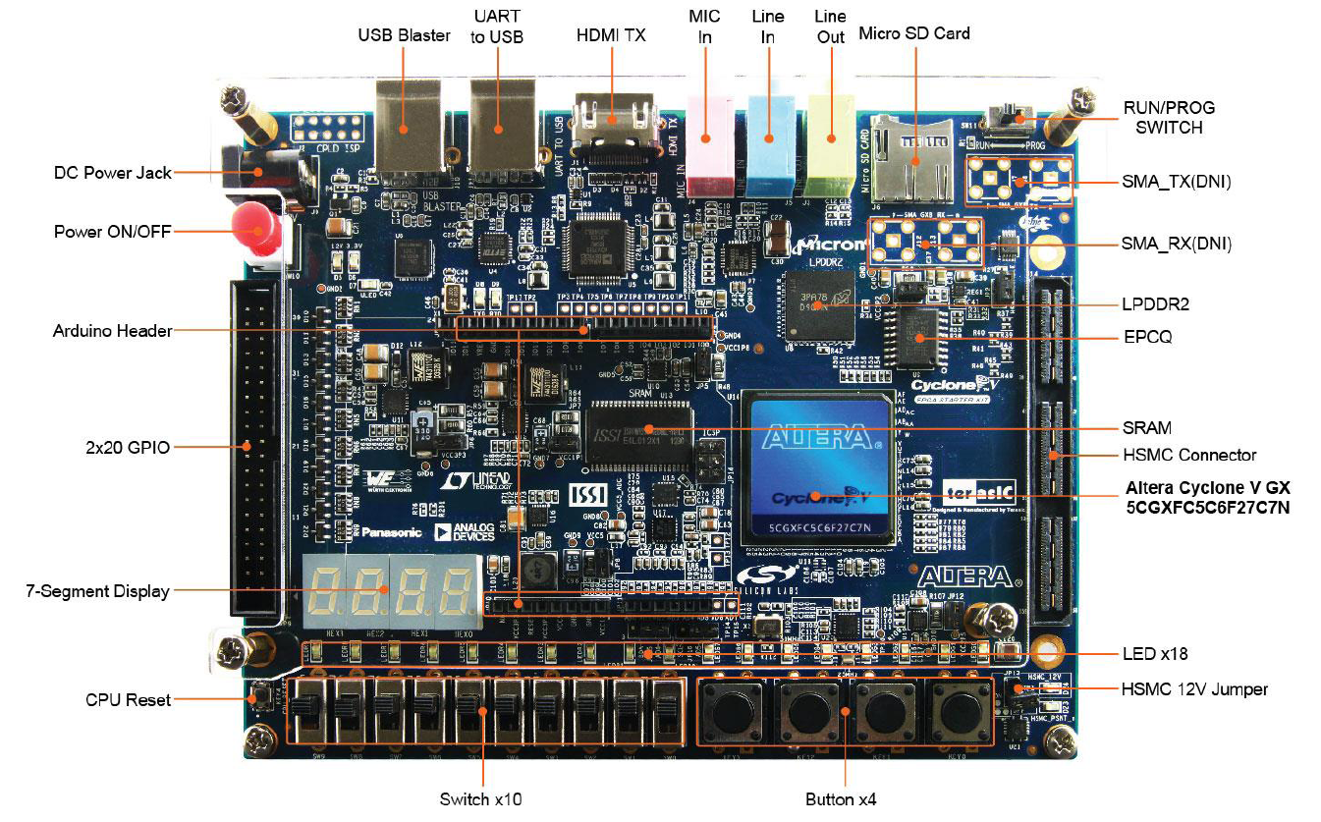
①
②
③
JP2
1. Set-up
 | 1. RUN/PROG switch를 RUN에 위치시킴
 | 2. USB를 USB Blaster port에 연결한다
 | 3. 12V Power supply를 연결한다
 | 4. C5G_ControlPanel.exe 를 실행한다
 |  | C5G_ControlPanel.sof bit stream이 자동으로 loading되면서 ControlPanel이 실행된다
 |  | 자동으로 연결이 안되는 경우 Pannel의 CONNECT을 선택한다
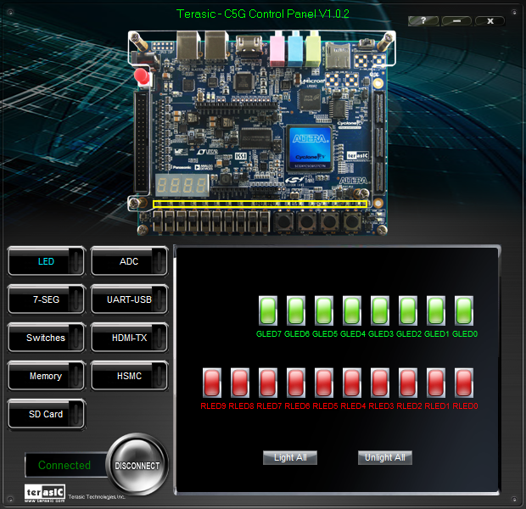

2. JTAG Chain configuration
 | JTAG을 이용하여 FPGA에 Quartus II program에서 바로 bit stream을 Download 할 수 있도록 설정한다.
 | JP2 Short -EPM240 TDI와 FPGA의 TDO를 연결한다

 | 1. RUN/PROG switch를 RUN에 위치시킴
 | 2. USB를 USB Blaster port에 연결한다
 | 3. 12V Power supply를 연결한다
 | 4. Quartus II 의 Programmer를 실행한다
 |  | ① Hardware Setup에서 USB-Blaster를 선택 후 Add Hardware를 click한다
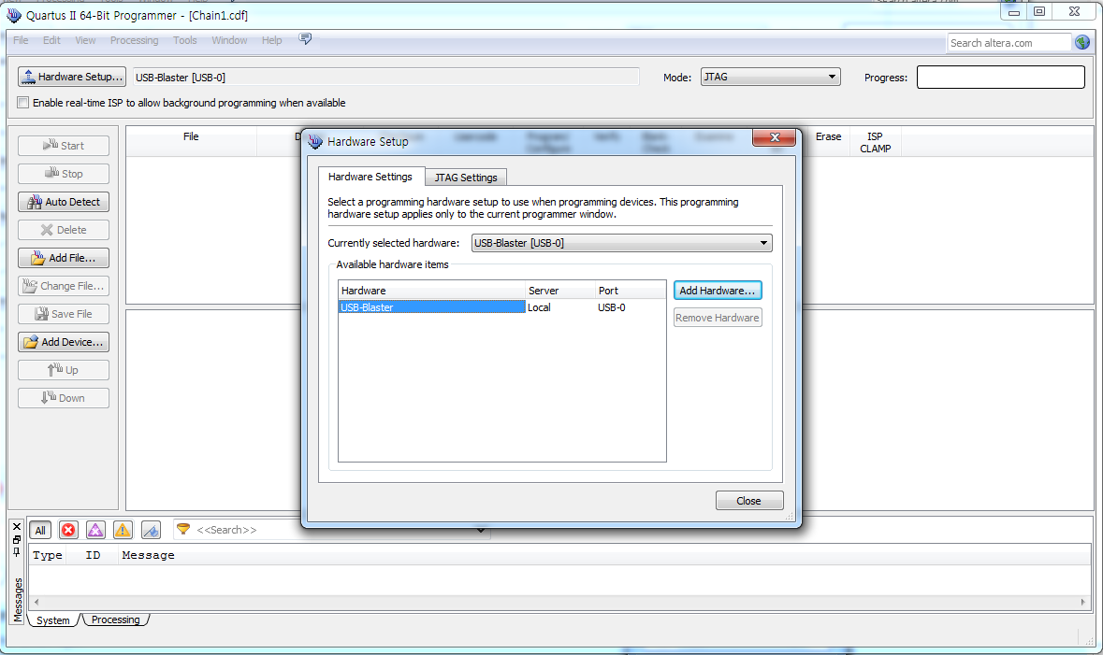
①

 |  | ② Auto Detect을 선택 후 사용하는 FPGA chip을 선택한다
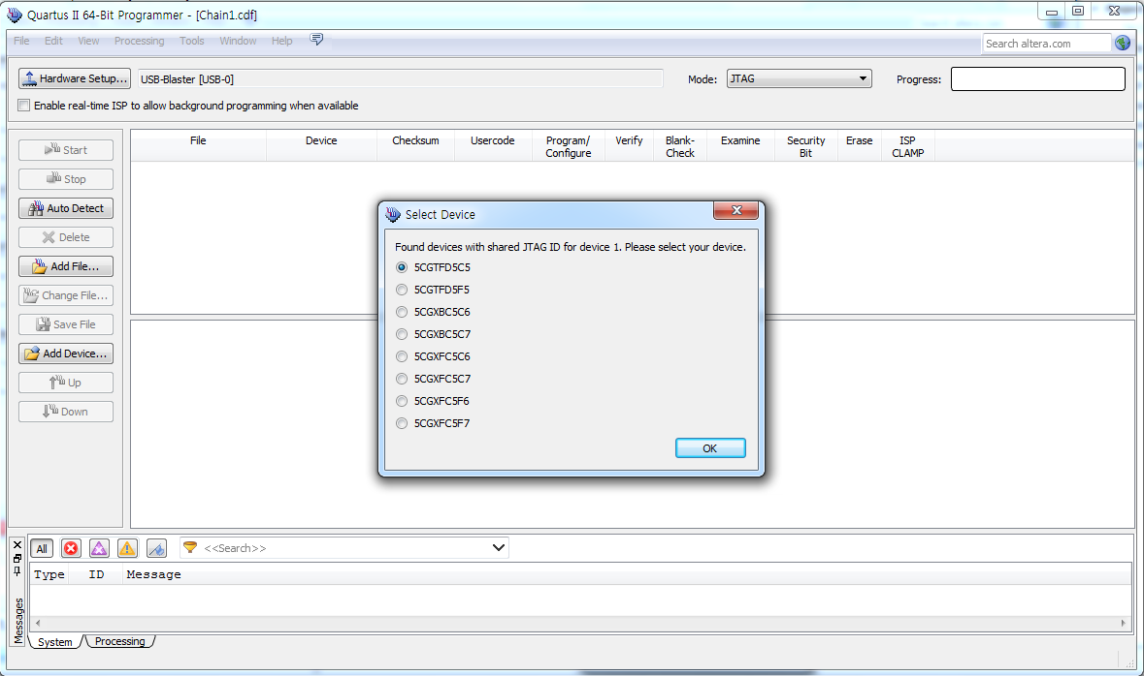
②

①②③④⑤⑥⑦

 |  | ③ Add File를 선택 후 .sof 확장자를 같은 bit stream file를 선택한다
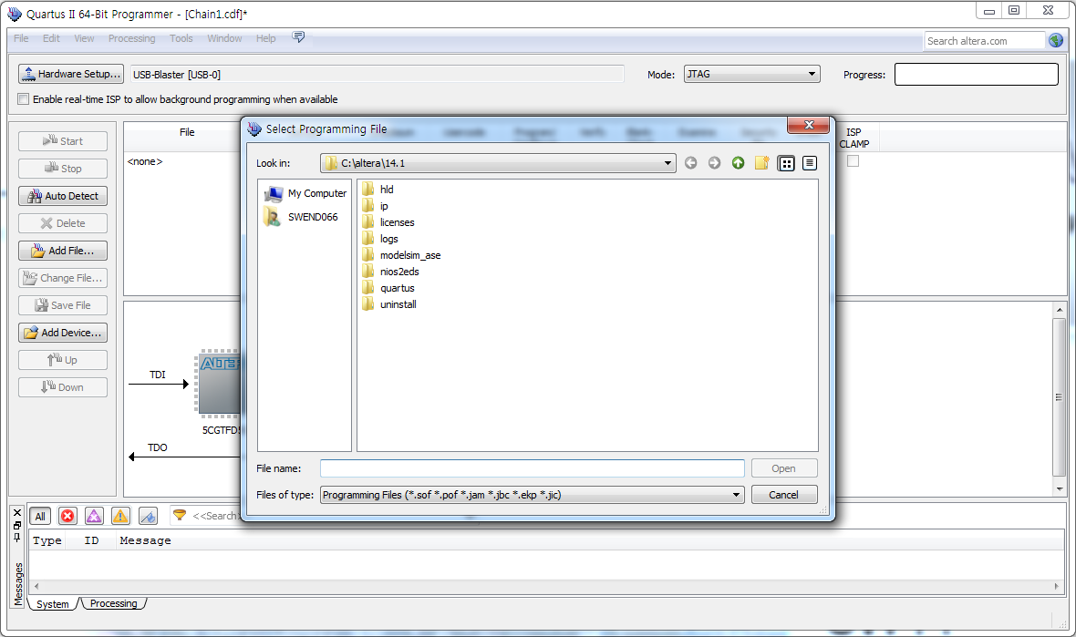

③

